Sheet1
NYC Arrests- Fact and Dimensions

Fact | Dimensions
NYC_ARRESTS_FACT | PD | KY | LAW_CODE | LAW_CATEGORY | ARREST BOROUGH | ARREST PRECINCT | JURISDICTION | AGE GROUP | PERP SEX | PERP RACE | LOCATION
PD_SK | PD_SK | KY_SK | LAW_CODE_SK | LAW_CAT_SK | ARREST_BORO_SK | ARREST_PRECINCT_SK | JURISDICTION_SK | AGE_GROUP_SK | PERP_SEX_SK | PERP_RACE_SK | LOCATION_SK
KY_SK | PD_CD | KY_CD | LAW_CODE_NAME | LAW_CAT_CD | ARREST_BORO | ARREST_PRECINCT | JURISDICTION_CODE | AGE_GROUP | PERP_SEX | PERP_RACE | X_COORD_CD
LAW_CODE_SK | PD_DESC | OFNS_DESC |  |  |  |  |  |  |  |  | Y_COORD_CD
LAW_CAT_SK |  |  |  |  |  |  |  |  |  |  | Latitude
ARREST_BORO_SK |  |  |  |  |  |  |  |  |  |  | Longitude
ARREST_PRECINCT_SK |  |  |  |  |  |  |  |  |  |  | New Georeferenced Column
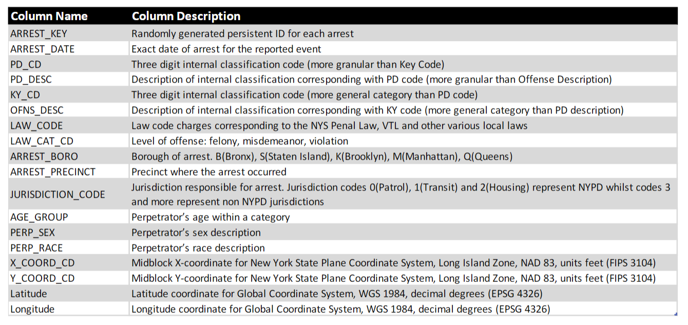
JURISDICTION_SK
AGE_GROUP_SK
PERP_SEX_SK
PERP_RACE_SK
LOCATION_SK
ARREST_KEY (NK)
ARREST_DATE

